Hoja1
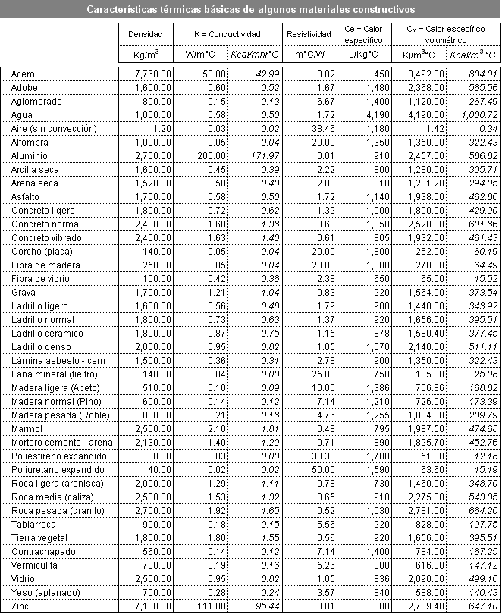
Layers | Roughness | Thickness [m] | Density [Kg/m3] | Specific Heat [J/Kg°C] | CEV [J/C] |  | Volumetric heat capacity [MJ/m2°C]
WALLS |  |  |  |  |  | 395600 | 395.6
Exterior Plaster | Rough | 0.025 | 1900 | 1000 | 47500
Brick | Rough | 0.2 | 1800 | 835 | 300600
Interior Plaster | Medium Rough | 0.025 | 1900 | 1000 | 47500
FLOOR |  |  |  |  |  | 1880280 | 1880.3
Soil | Rough | 1 | 2000 | 840 | 1680000
Cement Mortar | Medium Rough | 0.1 | 2400 | 800 | 192000
Ceramic Floor | Smooth | 0.005 | 1800 | 920 | 8280
ROOF |  |  |  |  |  | 102395 | 102.4
French Roof Tile | Rough | 0.005 | 1800 | 1000 | 9000
Glass Wool Insulation | Medium Smooth | 0.05 | 50 | 830 | 2075
Reinforced Concrete | Rough | 0.12 | 800 | 920 | 88320
Wood (Tongue and groove) | Medium Smooth | 0.001 | 1200 | 2500 | 3000

Tabique |  |  |  |  |  | 504230.36 | 504.2
 | Hormigón | 0.2 | 2400 | 1050 | 504000
 | EPS | 0.05 | 15 | 305 | 228.75
 | YESO | 0.01 | 700 | 0.23 | 1.61

